Sheet1
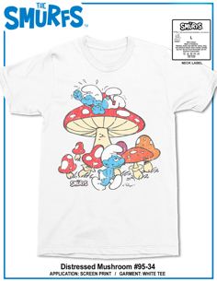
STYLE # | GENDER | COLOR | SIZE | DESCRIPTION | UNITS AVAILABLE
95-301-34 | ADULT | WHITE | SMALL | SMURF MUSHROOM | 14578
95-301-34 | ADULT | WHITE | MEDIUM | SMURF MUSHROOM | 25370
95-301-34 | ADULT | WHITE | LARGE | SMURF MUSHROOM | 28143
95-301-34 | ADULT | WHITE | XLARGE | SMURF MUSHROOM | 29811
95-305-34 | ADULT | WHITE | 2XLARGE | SMURF MUSHROOM | 20845
95-305-34 | ADULT | WHITE | 3XLARGE | SMURF MUSHROOM | 15466

96-380-292 | ADULT | PINK | SMALL | MTV MUSHROOM | 14900
96-380-292 | ADULT | PINK | MEDIUM | MTV MUSHROOM | 21459
96-380-292 | ADULT | PINK | LARGE | MTV MUSHROOM | 16376
96-380-292 | ADULT | PINK | XLARGE | MTV MUSHROOM | 13321
96-381-292 | ADULT | PINK | 2XLARGE | MTV MUSHROOM | 9599

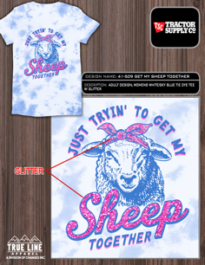
41-467-509 | WOMEN | WHITE/SKY BLUE TIE DYE | SMALL | GET MY SHEEP TOGETHER | 660
41-467-509 | WOMEN | WHITE/SKY BLUE TIE DYE | MEDIUM | GET MY SHEEP TOGETHER | 2880
41-467-509 | WOMEN | WHITE/SKY BLUE TIE DYE | LARGE | GET MY SHEEP TOGETHER | 4893
41-467-509 | WOMEN | WHITE/SKY BLUE TIE DYE | XLARGE | GET MY SHEEP TOGETHER | 4880
41-468-509 | WOMEN | WHITE/SKY BLUE TIE DYE | 2XLARGE | GET MY SHEEP TOGETHER | 2880

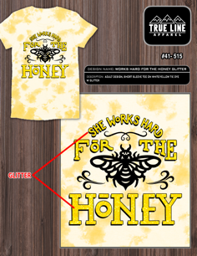
41-467-515 | WOMEN | WHITE/YELLOW TIE DYE | SMALL | WORKS HARD FOR THE HONEY | 93
41-467-515 | WOMEN | WHITE/YELLOW TIE DYE | MEDIUM | WORKS HARD FOR THE HONEY | 1197
41-467-515 | WOMEN | WHITE/YELLOW TIE DYE | LARGE | WORKS HARD FOR THE HONEY | 1554
41-467-515 | WOMEN | WHITE/YELLOW TIE DYE | XLARGE | WORKS HARD FOR THE HONEY | 707
41-468-515 | WOMEN | WHITE/YELLOW TIE DYE | 2XLARGE | WORKS HARD FOR THE HONEY | 1006

 |  |  |  | GRAND TOTAL | 230618

